Sheet1
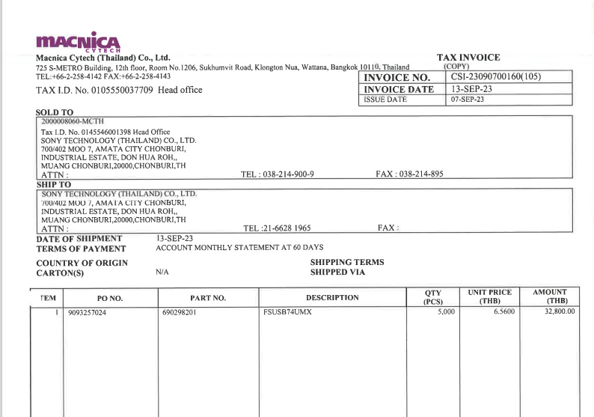

INVOICE _NO

PO_NO
QTY
UNIT_PRICE
AMOUNT
ITEM_NO

